Cancer and Mutation rate
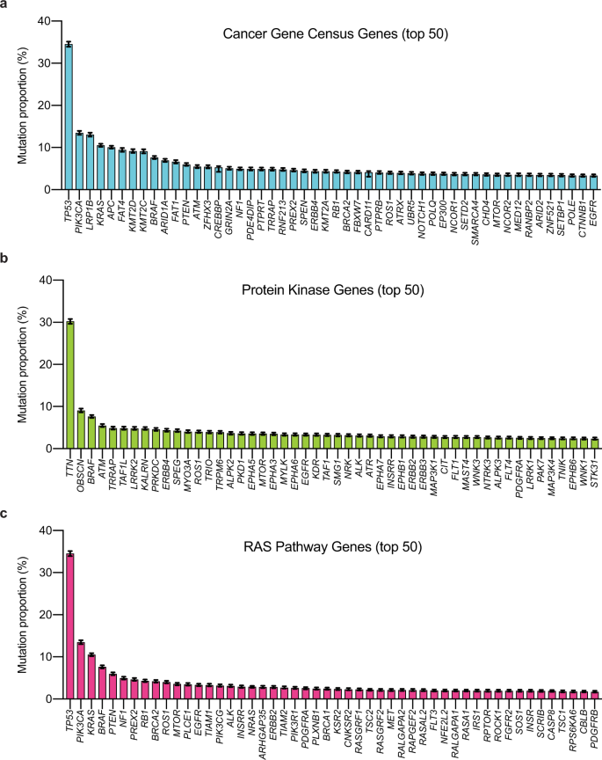

https://www.nature.com/articles/s41467-021-26213-y

